Question 2
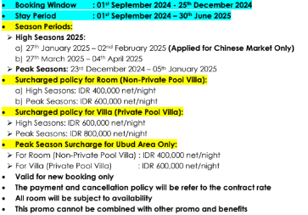
Refer to Contract Here :-

Monolocale Resort Seminyak: What will be the total price for a Royal One Bedroom Villa with Private Pool for a 4-night stay starting on 27th December 2024?

Suara Alam Ubud: What is the price for a 3-night stay in a Grand Suite with Jungle View in March 2025?

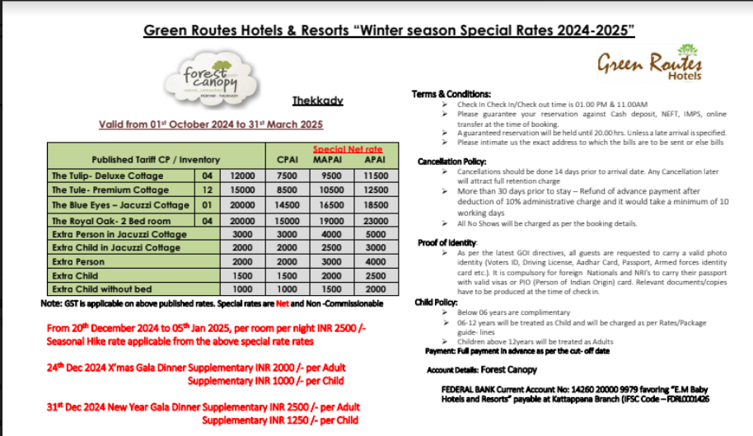
Refer to Contract Here :-

What will be the total cost for a 6-night stay at The Blue Eyes - Jacuzzi Cottage, starting on December 22, 2024, for 4 adults and 1 child (10 years old), booking 2 rooms on APAI?

What will be the total cost for a 3-night stay at The Tulip - Deluxe Cottage, starting on December 22, 2024, for 2 adults and 1 Infant, booking 1 room on MAP?

